Blad1
DFA tabel
c1 | c2 | c3 | c4 | c5 | c6 | c7 | c8 | c9 | c10 | c11 | name of assambly
Part ID | Alpha & Beta symmetry | # the operation is carried out consecutively | manual handling code | manual handling time per part | manual insertion code | manual insertion time per part | insertion direction time | montage process time | operation time c3(c5+c7+c9) | estimation for theoratical minimum parts
1 | 720 | 2.5 | 3.3 | 10.0 | 1.9 | 0.5 | 0.5 | 7 | 20.0 | 1 | Accu
2 | 720 | 2.5 | 3.3 | 9.5 | 2.6 | 0.4 | 0.4 | 0 | 12.4 | 1 | Schuifknop richting
3 | 720 | 2.5 | 3.3 | 9.5 | 2.6 | 0 | 0 | 12 | 53.8 | 1 | Kap onder
4 | 720 | 2.5 | 3.3 | 8.0 | 1.6 | 0 | 0 | 12 | 50.0 | 1 | Kap boven
5 | 360 | 1.7 | 0.3 | 6.5 | 0.8 | 0.5 | 0.5 | 7 | 23.8 | 1 | boorkop
6 | 540 | 2.4 | 2.3 | 8.0 | 1.6 | 0.5 | 0.5 | 12 | 49.2 | 1 | Drukknop
7 | 720 | 2.5 | 3.3 | 8.0 | 1.6 | 0.4 | 0.4 | 12 | 51.0 | 1 | Handvat rechts
8 | 720 | 2.5 | 3.3 | 8.0 | 1.6 | 0.4 | 0.4 | 12 | 51.0 | 1 | Handvat links
9 | 540 | 2.4 | 2.3 | 4.0 | 1.0 | 0 | 0 | 0 | 9.6 | 1 | Boortussenstuk
10 | 360 | 1.7 | 0.3 | 4.0 | 1.0 | 0 | 0 | 0 | 6.8 | 1 | Boormotor
11 | 540 | 2.4 | 2.3 | 6.5 | 0.8 | 0 | 0 | 0 | 15.6 | 1 | Schuifknop snelheid
12 | 720 | 2.5 | 3.3 | 8.0 | 1.6 | 0.4 | 0.4 | 12 | 51.0 | 1 | Inside drukknop 1
13 | 720 | 2.5 | 3.3 | 6.5 | 0.8 | 0 | 0 | 0 | 16.3 | 1 | Inside drukknop 2
14 | 720 | 2.5 | 3.3 | 10.5 | 2.8 | 0.2 | 0.2 | 7 | 44.3 | 1 | Accuknop
 |  |  |  |  |  |  |  |  | 0.0
 |  |  |  |  |  |  |  |  | 0.0
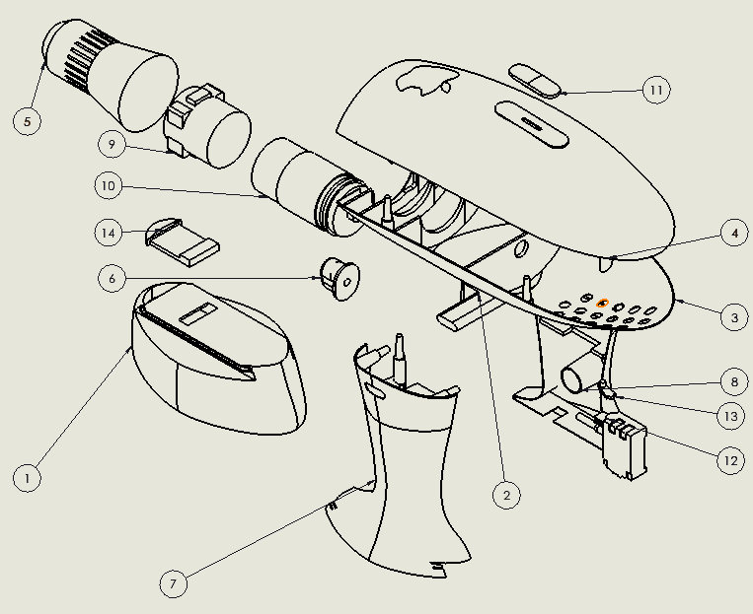
 |  |  |  |  |  |  |  | Assemblagetijd in seconde | 133.9 | 5
 |  |  |  |  |  |  |  | Assemblagetijd in uren | 0.37194444444
 |  |  |  |  |  |  |  | Assemblagetijd in minuten | 22.316666667

